Blad1
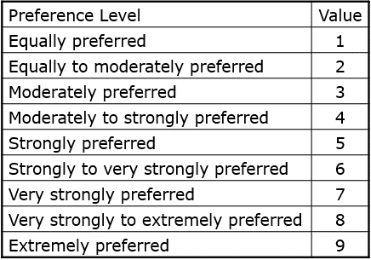
Waarde | Confidentiality | Integrity | Availability | Reliability | Accountability
Confidentiality | 1 | 0.5 | 3 | 0.333 | 0.333
Integrity | 2 | 1 | 0.5 | 1.25 | 0.4
Availability | 0.333 | 2 | 1 | 1.25 | 6
Reliability | 3 | 0.8 | 0.8 | 1 | 6
Accountability | 3 | 1.25 | 0.1667 | 0.1667 | 1
Totaal: | 9.333 | 5.55 | 5.4667 | 3.9997 | 13.733

Waarde | Confidentiality | Integrity | Availability | Reliability | Accountability | rij gem.
Confidentiality | 0.10714668381 | 0.09009009009 | 0.5487771416 | 0.083256244218 | 0.024248161363 | 0.17070366422
Integrity | 0.21429336762 | 0.18018018018 | 0.091462856934 | 0.31252343926 | 0.029126920556 | 0.16551735291
Availability | 0.035679845709 | 0.36036036036 | 0.18292571387 | 0.31252343926 | 0.43690380834 | 0.26567863351
Reliability | 0.32144005143 | 0.14414414414 | 0.14634057109 | 0.25001875141 | 0.43690380834 | 0.25976946528
Accountability | 0.32144005143 | 0.22522522523 | 0.030493716502 | 0.041678125859 | 0.072817301391 | 0.13833088408
Totaal: | 1 | 1 | 1 | 1 | 1 | 1

Waarde | Confidentiality | Integrity | Availability | Reliability | Accountability
Encryptie | ++ | +/- | - | -- | -
Autorisatie (wachtwoorden) | + | +/- | - | - | ++
RFID Authenticatie | + | +/- | + | +/- | +/-
Monitoring | - | ++ | + | ++ | ++

Waarde | Confidentiality | Integrity | Availability | Reliability | Accountability
Encryptie | 1 | 0 | 0.25 | 0 | 0.25
Autorisatie (wachtwoorden) | 0.75 | 0.5 | 0.25 | 0.25 | 1
RFID Authenticatie | 0.75 | 0.5 | 0.75 | 0.5 | 0.5
Monitoring | 0.25 | 1 | 0.75 | 1 | 1

0.17070366422 |  | Waarde | Confidentiality | Integrity | Availability | Reliability | Accountability | Score | Waarde | Confidentiality | Integrity | Availability | Reliability | Accountability | Score | 0.17070366422
0.16551735291 |  | Encryptie | 1 | 0 | 0.25 | 0 | 0.25 | 0.27170604361 | Weging | 0.17070366422 | 0.16551735291 | 0.26567863351 | 0.25976946528 | 0.13833088408 | - | 0.16551735291
0.26567863351 |  | Autorisatie (wachtwoorden) | 0.75 | 0.5 | 0.25 | 0.25 | 1 | 0.4804793334 | Encryptie | 1 | 0 | 0.25 | 0 | 0.25 | 0.27170604361 | 0.26567863351
0.25976946528 |  | RFID Authenticatie | 0.75 | 0.5 | 0.75 | 0.5 | 0.5 | 0.60909557443 | Autorisatie (wachtwoorden) | 0.75 | 0.5 | 0.25 | 0.25 | 1 | 0.4804793334 | 0.25976946528
0.13833088408 |  | Monitoring | 0.25 | 1 | 0.75 | 1 | 1 | 0.80555259346 | RFID Authenticatie | 0.75 | 0.5 | 0.75 | 0.5 | 0.5 | 0.60909557443 | 0.13833088408
 |  |  |  |  |  |  |  | 0 | Monitoring | 0.25 | 1 | 0.75 | 1 | 1 | 0.80555259346

